NSL-KDD
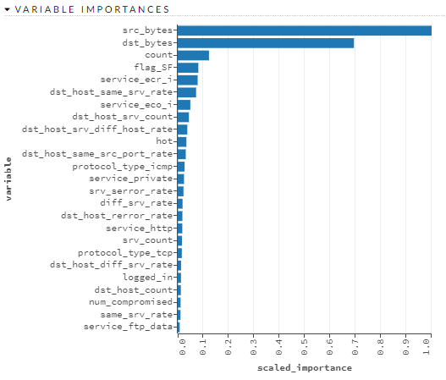
variable | relative_importance | scaled_importance | percentage
src_bytes | 133327.3281 | 1 | 0.3957
dst_bytes | 92542.8438 | 0.6941 | 0.2746
count | 16406.9375 | 0.1231 | 0.0487
flag_SF | 10822.3828 | 0.0812 | 0.0321
service_ecr_i | 10461.2168 | 0.0785 | 0.031
dst_host_same_srv_rate | 9646.9883 | 0.0724 | 0.0286
service_eco_i | 6616.002 | 0.0496 | 0.0196
dst_host_srv_count | 5880.3989 | 0.0441 | 0.0175
dst_host_srv_diff_host_rate | 5028.5049 | 0.0377 | 0.0149
hot | 4558.479 | 0.0342 | 0.0135
dst_host_same_src_port_rate | 4224.833 | 0.0317 | 0.0125
protocol_type_icmp | 3615.0259 | 0.0271 | 0.0107
service_private | 3298.3879 | 0.0247 | 0.0098
srv_serror_rate | 3011.6882 | 0.0226 | 0.0089
diff_srv_rate | 2538.3882 | 0.019 | 0.0075
dst_host_rerror_rate | 2447.3552 | 0.0184 | 0.0073
service_http | 2395.8315 | 0.018 | 0.0071
srv_count | 2229.6692 | 0.0167 | 0.0066
protocol_type_tcp | 2146.1472 | 0.0161 | 0.0064
dst_host_diff_srv_rate | 1753.5333 | 0.0132 | 0.0052
logged_in | 1709.0789 | 0.0128 | 0.0051
dst_host_count | 1632.6578 | 0.0122 | 0.0048
num_compromised | 1505.3102 | 0.0113 | 0.0045
same_srv_rate | 1443.0974 | 0.0108 | 0.0043
service_ftp_data | 1030.6866 | 0.0077 | 0.0031
duration | 839.8607 | 0.0063 | 0.0025
dst_host_serror_rate | 750.6823 | 0.0056 | 0.0022
flag_REJ | 738.0131 | 0.0055 | 0.0022
service_ftp | 582.2361 | 0.0044 | 0.0017
dst_host_srv_serror_rate | 557.3943 | 0.0042 | 0.0017
service_smtp | 447.9028 | 0.0034 | 0.0013
service_urp_i | 389.0026 | 0.0029 | 0.0012
rerror_rate | 263.5187 | 0.002 | 0.0008
dst_host_srv_rerror_rate | 239.3427 | 0.0018 | 0.0007
is_guest_login | 211.3534 | 0.0016 | 0.0006
service_domain_u | 175.397 | 0.0013 | 0.0005
service_telnet | 170.1834 | 0.0013 | 0.0005
num_file_creations | 145.1981 | 0.0011 | 0.0004
serror_rate | 120.274 | 0.0009 | 0.0004
num_root | 110.8695 | 0.0008 | 0.0003
service_other | 100.9329 | 0.0008 | 0.0003
service_IRC | 100.7597 | 0.0008 | 0.0003
flag_RSTO | 89.2937 | 0.0007 | 0.0003
service_finger | 82.4848 | 0.0006 | 0.0002
flag_RSTR | 80.3716 | 0.0006 | 0.0002
flag_S0 | 71.9252 | 0.0005 | 0.0002
srv_rerror_rate | 69.3405 | 0.0005 | 0.0002
protocol_type_udp | 63.915 | 0.0005 | 0.0002
srv_diff_host_rate | 63.0098 | 0.0005 | 0.0002
flag_S1 | 60.738 | 0.0005 | 0.0002
root_shell | 51.3788 | 0.0004 | 0.0002
num_access_files | 29.4785 | 0.0002 | 0.0001
service_X11 | 25.4717 | 0.0002 | 0.0001
service_auth | 24.205 | 0.0002 | 0.0001
service_pm_dump | 12.2813 | 0.0001 | 0
wrong_fragment | 7.5587 | 0.0001 | 0
flag_RSTOS0 | 2.5213 | 0 | 0
service_time | 2.4962 | 0 | 0
service_pop_3 | 1.3966 | 0 | 0
su_attempted | 1.366 | 0 | 0
num_failed_logins | 0.2038 | 0 | 0

UNSW-NB15
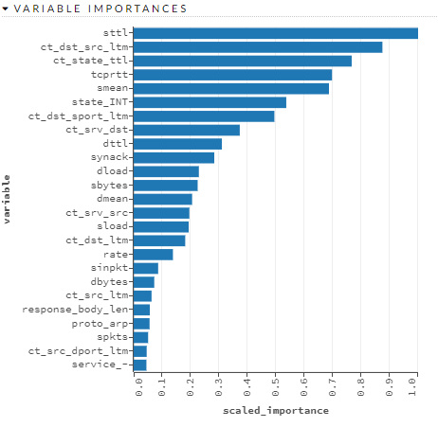
variable | relative_importance | scaled_importance | percentage
sttl | 12579.792 | 1 | 0.1188
ct_dst_src_ltm | 11001.9131 | 0.8746 | 0.1039
ct_state_ttl | 9643.209 | 0.7666 | 0.091
tcprtt | 8772.7236 | 0.6974 | 0.0828
smean | 8637.751 | 0.6866 | 0.0815
state_INT | 6749.2925 | 0.5365 | 0.0637
ct_dst_sport_ltm | 6223.2349 | 0.4947 | 0.0587
ct_srv_dst | 4692.3887 | 0.373 | 0.0443
dttl | 3902.074 | 0.3102 | 0.0368
synack | 3564.5007 | 0.2834 | 0.0336
dload | 2883.1416 | 0.2292 | 0.0272
sbytes | 2829.4717 | 0.2249 | 0.0267
dmean | 2584.7412 | 0.2055 | 0.0244
ct_srv_src | 2461.9978 | 0.1957 | 0.0232
sload | 2434.3201 | 0.1935 | 0.023
ct_dst_ltm | 2280.1228 | 0.1813 | 0.0215
rate | 1736.2649 | 0.138 | 0.0164
sinpkt | 1082.4406 | 0.086 | 0.0102
dbytes | 909.5814 | 0.0723 | 0.0086
ct_src_ltm | 790.8187 | 0.0629 | 0.0075
response_body_len | 714.6938 | 0.0568 | 0.0067
proto_arp | 702.7483 | 0.0559 | 0.0066
spkts | 638.5314 | 0.0508 | 0.006
ct_src_dport_ltm | 574.7277 | 0.0457 | 0.0054
service_- | 563.4879 | 0.0448 | 0.0053
dur | 555.6942 | 0.0442 | 0.0052
sloss | 527.9897 | 0.042 | 0.005
djit | 473.1932 | 0.0376 | 0.0045
state_REQ | 448.9514 | 0.0357 | 0.0042
dinpkt | 445.1082 | 0.0354 | 0.0042
ackdat | 428.0309 | 0.034 | 0.004
service_http | 425.7196 | 0.0338 | 0.004
ct_flw_http_mthd | 377.1058 | 0.03 | 0.0036
dtcpb | 367.4764 | 0.0292 | 0.0035
dpkts | 328.2384 | 0.0261 | 0.0031
stcpb | 326.433 | 0.0259 | 0.0031
proto_udp | 317.072 | 0.0252 | 0.003
dloss | 311.4759 | 0.0248 | 0.0029
sjit | 285.3201 | 0.0227 | 0.0027
state_CON | 246.8387 | 0.0196 | 0.0023
swin | 176.3461 | 0.014 | 0.0017
service_dns | 166.7988 | 0.0133 | 0.0016
trans_depth | 125.7642 | 0.01 | 0.0012
proto_ospf | 123.912 | 0.0099 | 0.0012
proto_sctp | 116.6034 | 0.0093 | 0.0011
proto_tcp | 82.9869 | 0.0066 | 0.0008
service_ftp | 79.7687 | 0.0063 | 0.0008
state_FIN | 71.296 | 0.0057 | 0.0007
proto_unas | 61.0056 | 0.0048 | 0.0006
service_ftp-data | 39.3265 | 0.0031 | 0.0004
is_ftp_login | 20.8711 | 0.0017 | 0.0002
service_smtp | 13.9836 | 0.0011 | 0.0001
proto_igmp | 13.1112 | 0.001 | 0.0001
ct_ftp_cmd | 11.9281 | 0.0009 | 0.0001
is_sm_ips_ports | 4.5503 | 0.0004 | 0
dwin | 3.187 | 0.0003 | 0
service_pop3 | 3.0163 | 0.0002 | 0
proto_any | 1.3042 | 0.0001 | 0
proto_gre | 0.1421 | 0 | 0
proto_sep | 0.1171 | 0 | 0
proto_ipnip | 0.0217 | 0 | 0
proto_st2 | 0.0146 | 0 | 0
proto_cbt | 0.0138 | 0 | 0
proto_ip | 0.0108 | 0 | 0
proto_snp | 0.0031 | 0 | 0
proto_ggp | 0.0029 | 0 | 0
proto_ipv6 | 0.0027 | 0 | 0
proto_larp | 0.0011 | 0 | 0
proto_mux | 0.0007 | 0 | 0
proto_leaf-1 | 0.0005 | 0 | 0
proto_emcon | 0.0002 | 0 | 0
proto_chaos | 0.0002 | 0 | 0
proto_egp | 0 | 0 | 0
proto_pup | 0 | 0 | 0
proto_igp | 0 | 0 | 0
service_ssh | 0 | 0 | 0
proto_3pc | 0 | 0 | 0
proto_a/n | 0 | 0 | 0
proto_aes-sp3-d | 0 | 0 | 0
proto_argus | 0 | 0 | 0
proto_aris | 0 | 0 | 0
proto_ax.25 | 0 | 0 | 0
proto_bbn-rcc | 0 | 0 | 0
proto_bna | 0 | 0 | 0
proto_br-sat-mon | 0 | 0 | 0
proto_cftp | 0 | 0 | 0
proto_compaq-peer | 0 | 0 | 0
proto_cphb | 0 | 0 | 0
proto_cpnx | 0 | 0 | 0
proto_crtp | 0 | 0 | 0
proto_crudp | 0 | 0 | 0
proto_dcn | 0 | 0 | 0
proto_ddp | 0 | 0 | 0
proto_ddx | 0 | 0 | 0
proto_dgp | 0 | 0 | 0
proto_eigrp | 0 | 0 | 0
proto_encap | 0 | 0 | 0
proto_etherip | 0 | 0 | 0
proto_fc | 0 | 0 | 0
proto_fire | 0 | 0 | 0
proto_gmtp | 0 | 0 | 0
proto_hmp | 0 | 0 | 0
proto_i-nlsp | 0 | 0 | 0
proto_iatp | 0 | 0 | 0
proto_ib | 0 | 0 | 0
proto_idpr | 0 | 0 | 0
proto_idpr-cmtp | 0 | 0 | 0
proto_idrp | 0 | 0 | 0
proto_ifmp | 0 | 0 | 0
proto_il | 0 | 0 | 0
proto_ipcomp | 0 | 0 | 0
proto_ipcv | 0 | 0 | 0
proto_ipip | 0 | 0 | 0
proto_iplt | 0 | 0 | 0
proto_ippc | 0 | 0 | 0
proto_ipv6-frag | 0 | 0 | 0
proto_ipv6-no | 0 | 0 | 0
proto_ipv6-opts | 0 | 0 | 0
proto_ipv6-route | 0 | 0 | 0
proto_ipx-n-ip | 0 | 0 | 0
proto_irtp | 0 | 0 | 0
proto_isis | 0 | 0 | 0
proto_iso-ip | 0 | 0 | 0
proto_iso-tp4 | 0 | 0 | 0
proto_kryptolan | 0 | 0 | 0
proto_l2tp | 0 | 0 | 0
proto_leaf-2 | 0 | 0 | 0
proto_merit-inp | 0 | 0 | 0
proto_mfe-nsp | 0 | 0 | 0
proto_mhrp | 0 | 0 | 0
proto_micp | 0 | 0 | 0
proto_mobile | 0 | 0 | 0
proto_mtp | 0 | 0 | 0
proto_narp | 0 | 0 | 0
proto_netblt | 0 | 0 | 0
proto_nsfnet-igp | 0 | 0 | 0
proto_nvp | 0 | 0 | 0
proto_pgm | 0 | 0 | 0
proto_pim | 0 | 0 | 0
proto_pipe | 0 | 0 | 0
proto_pnni | 0 | 0 | 0
proto_pri-enc | 0 | 0 | 0
proto_prm | 0 | 0 | 0
proto_ptp | 0 | 0 | 0
proto_pvp | 0 | 0 | 0
proto_qnx | 0 | 0 | 0
proto_rdp | 0 | 0 | 0
proto_rsvp | 0 | 0 | 0
proto_rvd | 0 | 0 | 0
proto_sat-expak | 0 | 0 | 0
proto_sat-mon | 0 | 0 | 0
proto_sccopmce | 0 | 0 | 0
proto_scps | 0 | 0 | 0
proto_sdrp | 0 | 0 | 0
proto_secure-vmtp | 0 | 0 | 0
proto_skip | 0 | 0 | 0
proto_sm | 0 | 0 | 0
proto_smp | 0 | 0 | 0
proto_sprite-rpc | 0 | 0 | 0
proto_sps | 0 | 0 | 0
proto_srp | 0 | 0 | 0
proto_stp | 0 | 0 | 0
proto_sun-nd | 0 | 0 | 0
proto_swipe | 0 | 0 | 0
proto_tcf | 0 | 0 | 0
proto_tlsp | 0 | 0 | 0
proto_tp++ | 0 | 0 | 0
proto_trunk-1 | 0 | 0 | 0
proto_trunk-2 | 0 | 0 | 0
proto_ttp | 0 | 0 | 0
proto_uti | 0 | 0 | 0
proto_vines | 0 | 0 | 0
proto_visa | 0 | 0 | 0
proto_vmtp | 0 | 0 | 0
proto_vrrp | 0 | 0 | 0
proto_wb-expak | 0 | 0 | 0
proto_wb-mon | 0 | 0 | 0
proto_wsn | 0 | 0 | 0
proto_xnet | 0 | 0 | 0
proto_xns-idp | 0 | 0 | 0
proto_xtp | 0 | 0 | 0
proto_zero | 0 | 0 | 0
service_dhcp | 0 | 0 | 0
service_irc | 0 | 0 | 0
service_radius | 0 | 0 | 0
service_snmp | 0 | 0 | 0
service_ssl | 0 | 0 | 0
state_ACC | 0 | 0 | 0
state_CLO | 0 | 0 | 0
state_RST | 0 | 0 | 0

CICIDS 2017
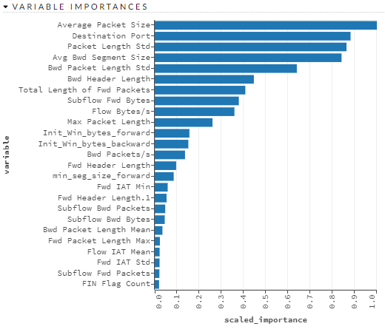
variable | relative_importance | scaled_importance | percentage
Average Packet Size | 256906.0938 | 1 | 0.137
Destination Port | 226497.5156 | 0.8816 | 0.1208
Packet Length Std | 221784.125 | 0.8633 | 0.1183
Avg Bwd Segment Size | 216061.2344 | 0.841 | 0.1152
Bwd Packet Length Std | 164342.1094 | 0.6397 | 0.0877
Bwd Header Length | 114644.9297 | 0.4463 | 0.0612
Total Length of Fwd Packets | 104767.8672 | 0.4078 | 0.0559
Subflow Fwd Bytes | 97258.3984 | 0.3786 | 0.0519
Flow Bytes/s | 92165.2188 | 0.3588 | 0.0492
Max Packet Length | 66800.4531 | 0.26 | 0.0356
Init_Win_bytes_forward | 40083.6367 | 0.156 | 0.0214
Init_Win_bytes_backward | 38855.4766 | 0.1512 | 0.0207
Bwd Packets/s | 35027.5508 | 0.1363 | 0.0187
Fwd Header Length | 24770.1758 | 0.0964 | 0.0132
min_seg_size_forward | 21912.5801 | 0.0853 | 0.0117
Fwd IAT Min | 14963.7207 | 0.0582 | 0.008
Fwd Header Length.1 | 13671.6855 | 0.0532 | 0.0073
Subflow Bwd Packets | 12108.249 | 0.0471 | 0.0065
Subflow Bwd Bytes | 11543.2129 | 0.0449 | 0.0062
Bwd Packet Length Mean | 8889.7725 | 0.0346 | 0.0047
Fwd Packet Length Max | 5956.9355 | 0.0232 | 0.0032
Flow IAT Mean | 5655.8184 | 0.022 | 0.003
Fwd IAT Std | 5573.0649 | 0.0217 | 0.003
Subflow Fwd Packets | 5371.3896 | 0.0209 | 0.0029
FIN Flag Count | 4996.5986 | 0.0194 | 0.0027
Total Length of Bwd Packets | 4777.1675 | 0.0186 | 0.0025
Total Fwd Packets | 4171.5859 | 0.0162 | 0.0022
Flow Duration | 3836.2825 | 0.0149 | 0.002
Packet Length Mean | 3781.2996 | 0.0147 | 0.002
Bwd IAT Std | 3676.7317 | 0.0143 | 0.002
Flow IAT Min | 3234.885 | 0.0126 | 0.0017
Fwd Packets/s | 3192.2529 | 0.0124 | 0.0017
Fwd IAT Mean | 2952.8179 | 0.0115 | 0.0016
Fwd IAT Total | 2755.9773 | 0.0107 | 0.0015
Flow IAT Std | 2746.1858 | 0.0107 | 0.0015
Bwd IAT Min | 2672.7231 | 0.0104 | 0.0014
PSH Flag Count | 2378.886 | 0.0093 | 0.0013
Active Max | 2286.9878 | 0.0089 | 0.0012
Flow Packets/s | 2158.6021 | 0.0084 | 0.0012
Total Backward Packets | 1769.1021 | 0.0069 | 0.0009
Flow IAT Max | 1414.7106 | 0.0055 | 0.0008
Bwd IAT Mean | 1406.4884 | 0.0055 | 0.0008
Active Std | 1328.3398 | 0.0052 | 0.0007
Bwd Packet Length Min | 1324.9012 | 0.0052 | 0.0007
Min Packet Length | 1246.5189 | 0.0049 | 0.0007
Fwd Packet Length Std | 1200.973 | 0.0047 | 0.0006
Active Mean | 1086.1285 | 0.0042 | 0.0006
Fwd IAT Max | 1081.2589 | 0.0042 | 0.0006
Avg Fwd Segment Size | 955.0174 | 0.0037 | 0.0005
ACK Flag Count | 924.2493 | 0.0036 | 0.0005
Idle Min | 867.8367 | 0.0034 | 0.0005
Idle Mean | 756.6051 | 0.0029 | 0.0004
Fwd Packet Length Min | 701.3807 | 0.0027 | 0.0004
SYN Flag Count | 549.7672 | 0.0021 | 0.0003
Bwd Packet Length Max | 515.4192 | 0.002 | 0.0003
URG Flag Count | 515.0178 | 0.002 | 0.0003
Fwd PSH Flags | 493.2972 | 0.0019 | 0.0003
Bwd IAT Total | 332.045 | 0.0013 | 0.0002
Down/Up Ratio | 219.5168 | 0.0009 | 0.0001
Bwd IAT Max | 200.3798 | 0.0008 | 0.0001
Active Min | 184.4115 | 0.0007 | 0.0001
act_data_pkt_fwd | 176.0935 | 0.0007 | 0.0001
Fwd Packet Length Mean | 123.369 | 0.0005 | 0.0001
Packet Length Variance | 111.4473 | 0.0004 | 0.0001
Idle Max | 54.855 | 0.0002 | 0
Idle Std | 11.5287 | 0 | 0

